Overview
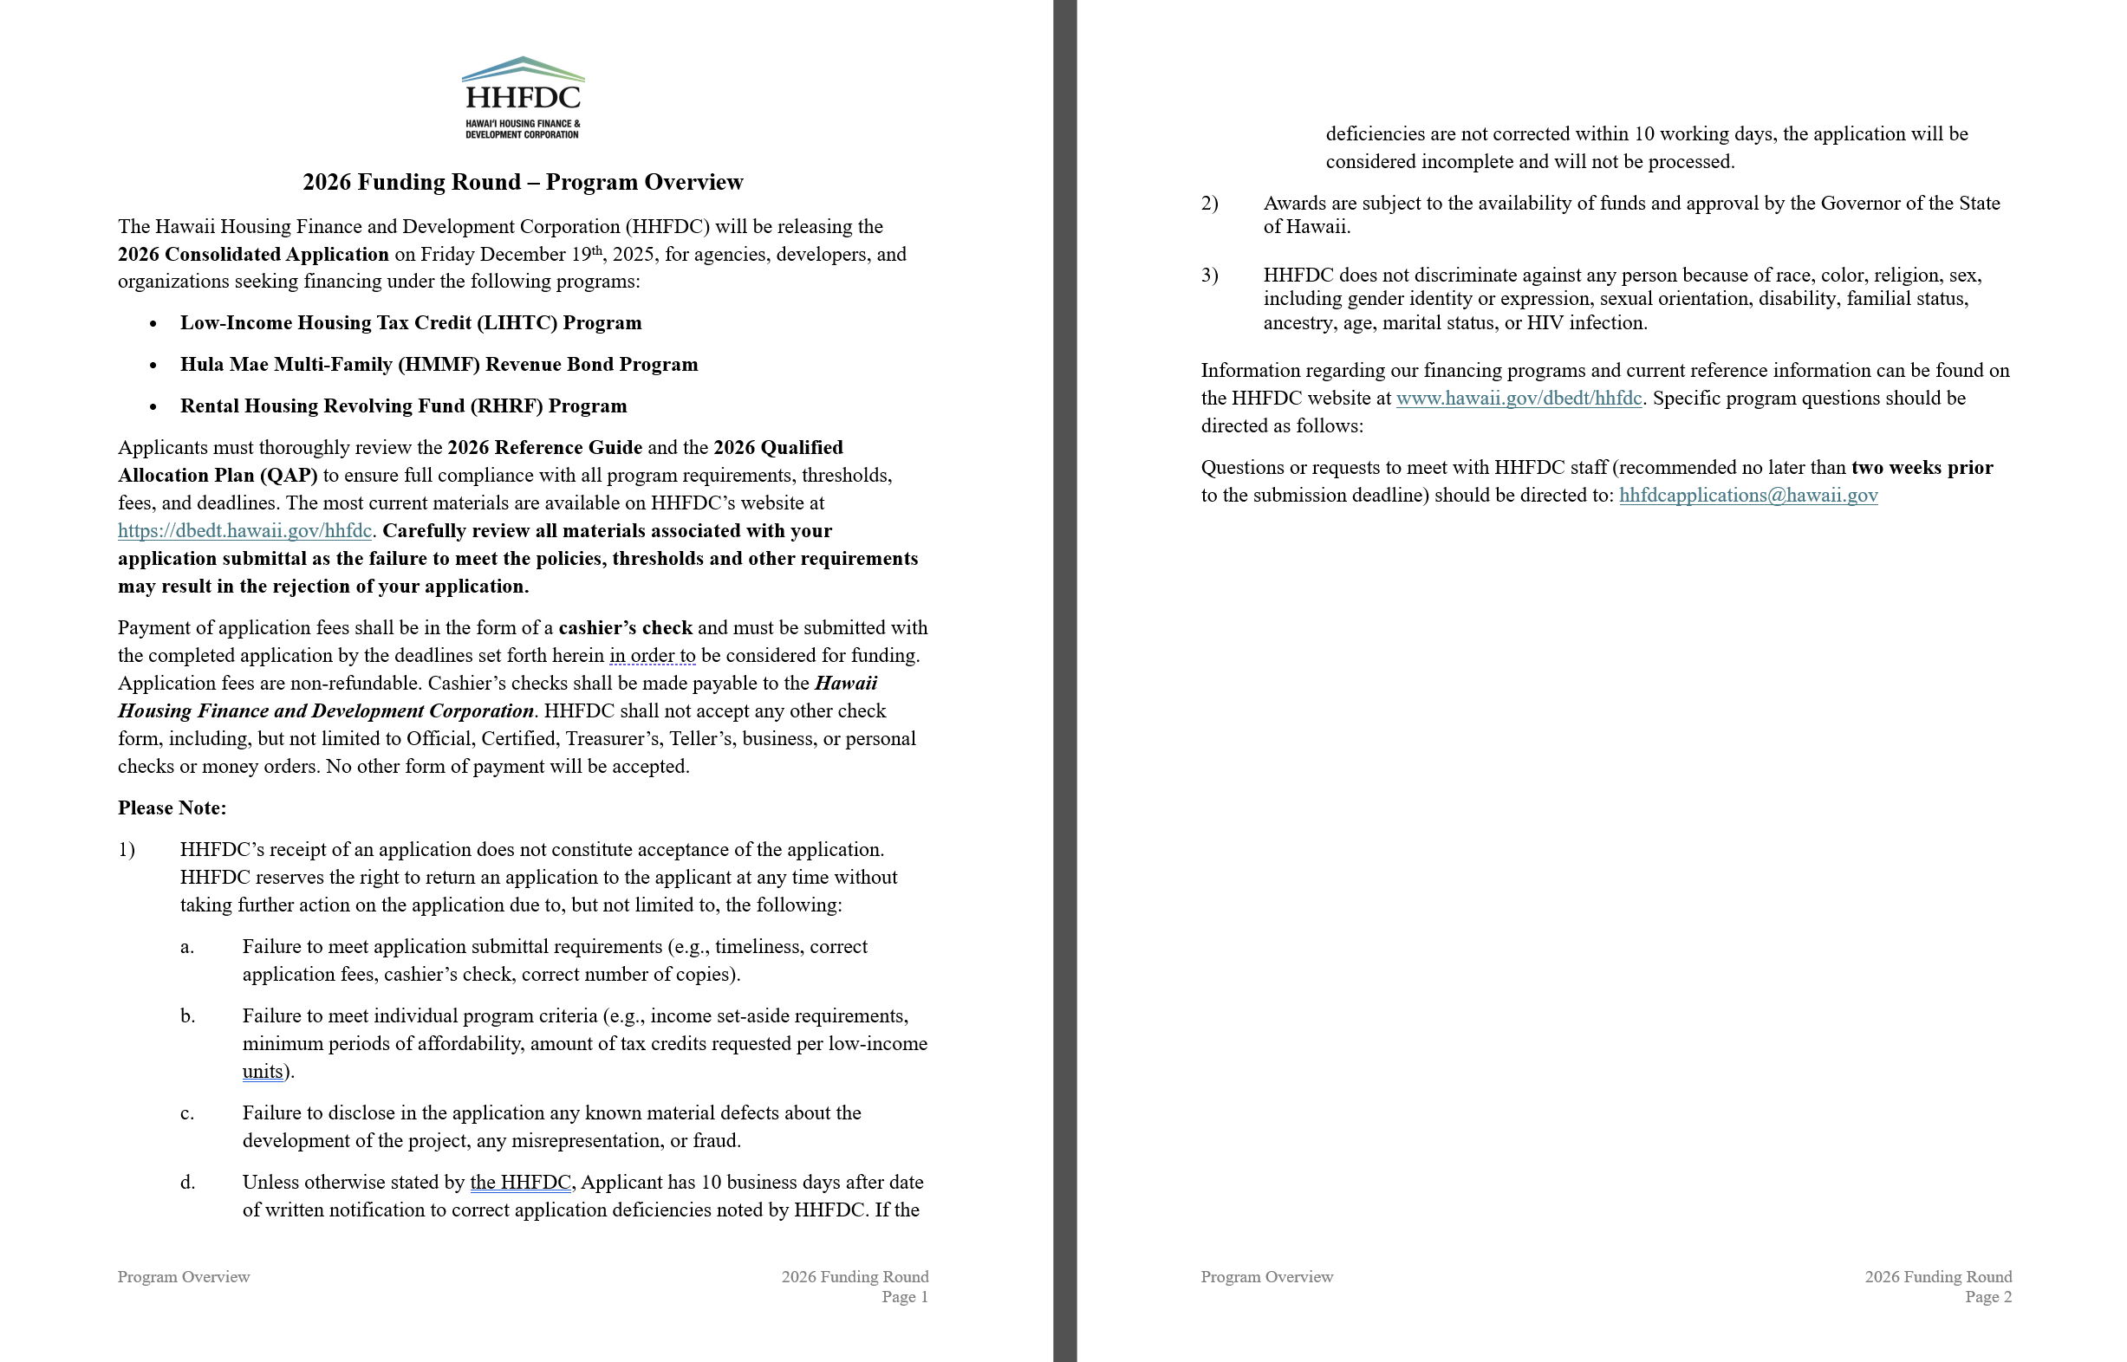

2026 Letter of Intent
DEADLINE
January 16, 2026 @ 2:00 p.m. HST
LETTER OF INTENT |  |  |  |  |  |  |  |  | INVOICE FOR PAYMENT
TO APPLY FOR THE 2026 FUNDING ROUND

APPLICANT & PROJECT INFORMATION
 |  |  |  |  |  |  |  |  |  | APPLICANT INFORMATION:
 | Project Owner Name (Applicant): |  |  |  |  |  |  |  |  | Project Name: |  | 0 | Applicant Contact Name: |  | 0
 | Applicant Contact Name, Title: |  |  |  |  |  |  |  |  | Applicant: |  | 0 | Applicant Phone #: |  | -
 | Applicant Address: |  |  |  |  |  |  |  |  | Applicant Address: |  | 0
 | Applicant COUNTY, STATE, ZIP CODE: |  |  |  |  |  |  |  |  |  |  | 0
 | Applicant Phone Number:
 | Applicant Email Address:

 | Project Name: |  |  |  |  |  |  |  |  | FEE DESCRIPTION: |  |  | RHRF | LIHTC | HMMF | TOTAL
 | Project Island (use drop down menu): | +SELECT ONE
 | Project Classification (use drop down menu): | +SELECT ONE
 | Tenant Type (use drop down menu): | +SELECT ONE
 | Affordability Period: |  | Years (for perpetual affordability, input "Perpetuity")
 | Estimated Total # of Units: |  | Units
 | Estimated FED LIHTC Amount: |  |  |  |  | LIHTC Program:
 | Estimated HMMF Amount (if applicable): |  |  |  |  |  |  |  |  |  |  |  | $- | $- | $- | $-
 | Estimated RHRF Amount: |  |  |  |  |  |  |  |  | Please make cashier's check payable to: Hawaii Housing Finance and Development Corporation

Please accept this Letter of Intent ("LOI") as our formal intent to apply for the Hawaii Housing Finance and Development Corporation ("HHFDC") 2026 Funding Round for the following program(s) and acknowledge the application fees associated with each program: |  |  |  |  |  |  |  |  |  | Mailing Address: | Hawaii Housing Finance and Development Corporation
 |  |  |  |  |  |  |  |  |  |  | 677 Queen Street, Suite 300
 |  |  |  |  |  |  |  |  |  |  | Honolulu, Hawaii 96813
 | FUNDING PROGRAM |  |  | APPLICATION FEE |  |  |  | APPLY (Mark "X") |  |  | Attn: FIN BRANCH
 | Rental Housing Revolving Fund (RHRF) |  |  |  | $2,000 |  |  |  |  | Email Address: | hhfdcapplications@hawaii.gov
 | Hula Mae Multi-family Bonds (HMMF) |  |  |  | $5,000
 | Low-Income Housing Tax Credit Program (LIHTC) 4% |  |  |  | $5,000 |  |  |  |  | Attach Cashier's Check Here.
 | Low-Income Housing Tax Credit Program (LIHTC) 9% |  |  |  | $5,000
 | TOTAL FEES DUE: |  |  |  | $-

Submission of a Letter of Intent (LOI) is a required step to access HHFDC’s Procorem online portal, the official platform for submitting applications for the 2026 Funding Round. A separate LOI must be submitted for each LIHTC program. For example, if an applicant seeks both 4% and 9% LIHTC for the same project, two distinct LOIs are required.

The Applicant acknowledges that failure to submit a fully completed and executed LOI by the designated deadline will result in disqualification from portal access and ineligibility to participate in the 2026 Funding Round.

The Applicant further understands that the LOI must be submitted both via email and certified mail, and must be accompanied by full payment of the application fees for each funding program the Applicant intends to pursue. Payment must be made by cashier’s check payable to “Hawaii Housing Finance and Development Corporation,” and must include the completed Invoice of Payment.

All required materials—including the LOI, payment, and invoice—must be received by HHFDC by 2:00 p.m. HST on Friday, January 16, 2026 (“DEADLINE”) in order to activate access to the Procorem portal and proceed with the application process.

[ MAIL LOI to: Hawaii Housing Finance and Development Corporation / 677 Queen St., Suite 300 / HON, HI 96813 / Attn: FIN BRANCH ]
[ EMAIL LOI to: hhfdcapplications@hawaii.gov ]

 | PRINT FIRST & LAST NAME:
 | TITLE:
 | SIGNATURE: |  |  |  |  |  | DATE:

 |  |  |  |  |  |  |  |  |  |  |  |  |  |  |  |  | Phone Number: [Insert Phone]

 |  |  |  |  |  |  |  |  |  |  |  |  |  |  |  |  | Email Address: [Insert Email]

